Sheet1
Image | Item | UPC | FOB | Description | Retail Price | Qty | Master Carton Pack | Class | Asking Price | Offer Price
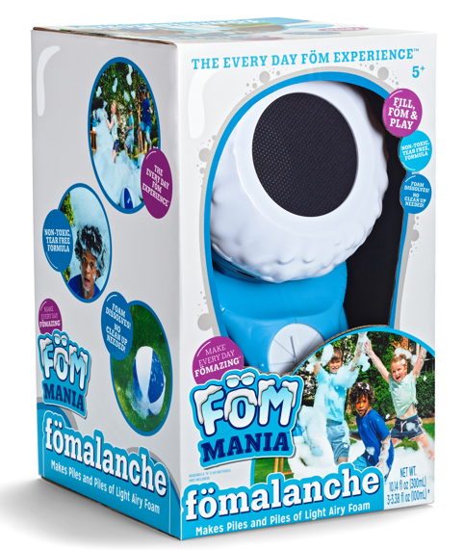 | 3034 | 093539030341 | MA | FOM MANIA FOMALANCHE | $39.99 | 9,484 | 1 | Foam | $16.60
 | 3027CD | 093539030273 | MA | FOM MANIA FOMILATOR 2 PACK | $29.99 | 10,000 | 4 | Foam | $14.20
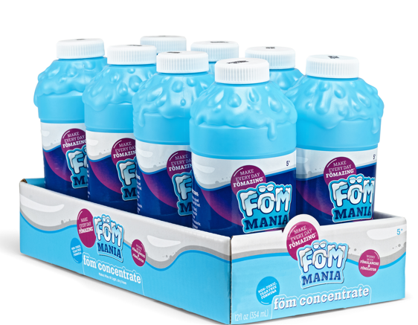 | 3005 | 093539030051 | MA | FOM MANIA CONCENTRATE 12OZ 8PC PDQ | $69.95 | 55,584 | 8 | Foam | $2.20
 | 3034CD | 093539030341 | MA | FOM MANIA FOMALANCHE | $39.99 | 5,376 | 1 | Foam | $16.60
 | 3027 | 093539030273 | MA | FOM MANIA FOMILATOR 2 PACK | $29.99 | 5,232 | 4 | Foam | $14.20
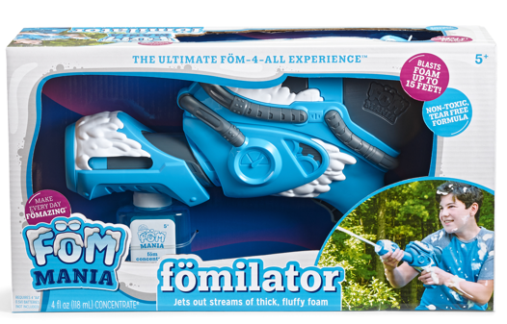 | 3019 | 093539030198 | MA | FOM MANIA FOMILATOR | $24.99 | 5,320 | 4 | Foam | $8.20
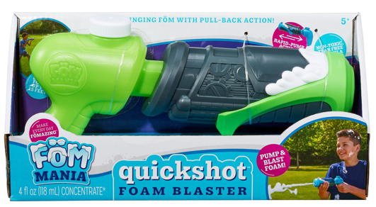 | 3014 | 093539030143 | MA | FOM MANIA QUICKSHOT FOM BLASTER | $4.97 | 7,527 | 6 | Foam | $5.80
 | 93024 | 093539930245 | MA | FOM MANIA QUICKSHOT FOM BLASTER 2PK EXTRA CONCENTRATE | $17.45 | 3,736 | 6 | Foam | $8.20
 |  |  |  |  |  | 102,259

